Figure 1 (reporting groups)
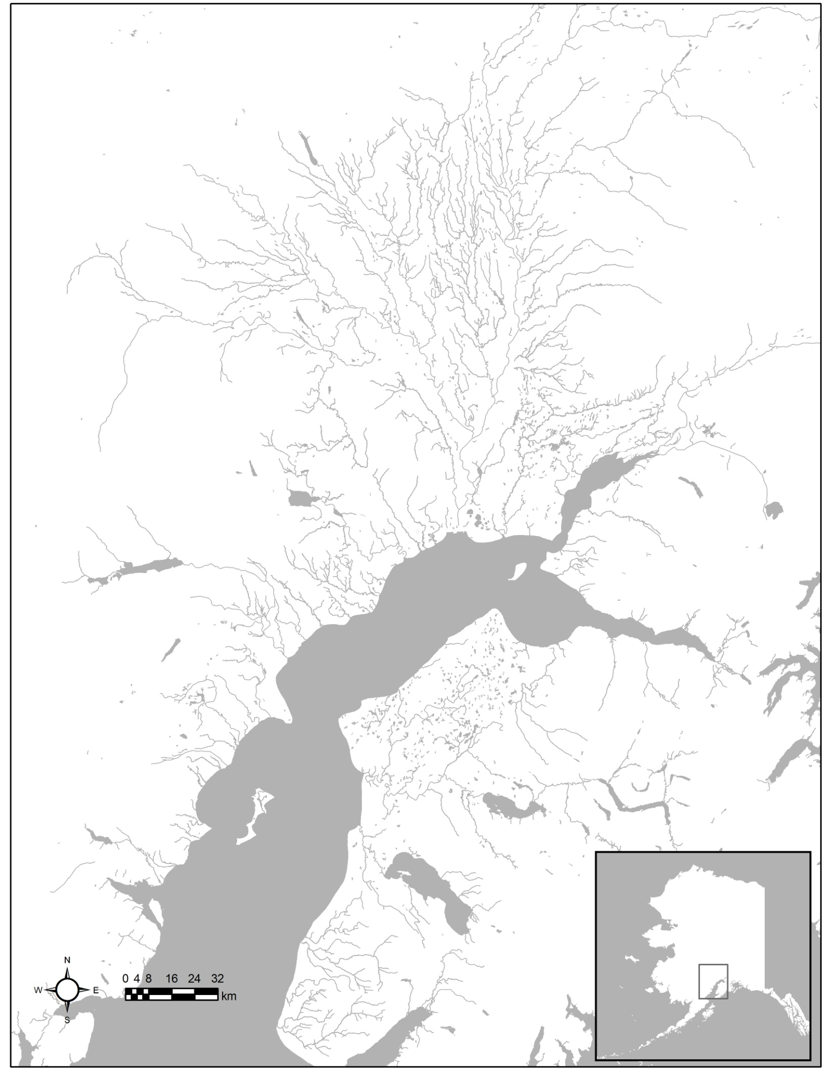
Crescent
West
JCL
SusYen
Fish
KTNE
Kenai
Kasilof
Susitna River
Kenai River
Fish Creek
Kasilof River
Crescent River
Yentna River
Larson Lake
Chelatna Lake
Judd Lake
Cook Inlet
Turnagain Arm
Knik Arm

Figure 1.–Map of Cook Inlet showing reporting group areas for genetic mixed stock analysis of sockeye salmon harvest samples.

Figure 2 (drift stat areas)
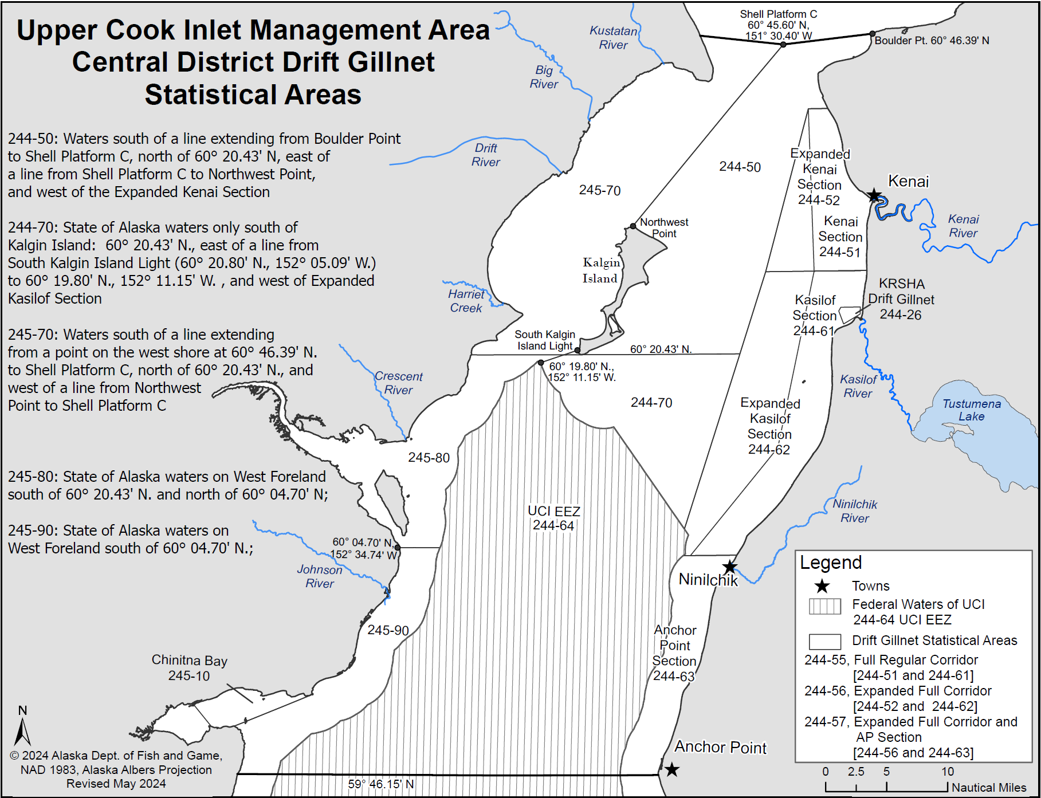
F

Figure 2.–Map of Upper Cook Inlet showing commercial fishing boundaries (statistical areas) for the Central District drift gillnet fishery.

Note: Districts, subdistricts, and sections are defined in Alaska Administrative Code (5 AAC 21.200).

Figure 4 (harvest bubble plot)
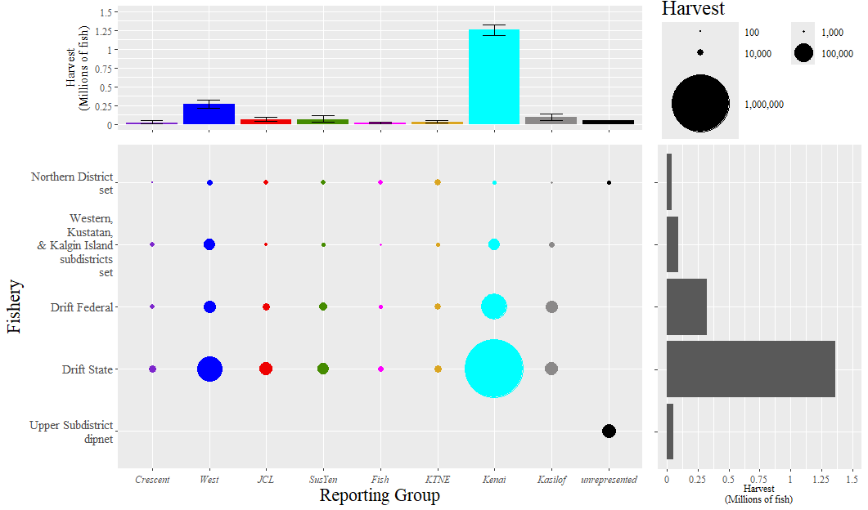

Figure 4.–Upper Cook Inlet commercial sockeye salmon harvest estimates by fishery and reporting group, 2024.
Key: The bubble plot shows stock-specific harvest estimates (means) of sockeye salmon for 8 reporting groups (colored circles) and unanalyzed harvest (unrepresented; black circles) (x-axis) and 5 fisheries (y-axis). The size of the circle represents the stock-specific harvest for fishery (see legend, top right). The right bar plot shows the total harvest for each fishery. The top bar plot shows the stock-specific harvest and 90% credibility intervals for the entire season across all fisheries (colored bars) and unrepresented harvest (black bar).

Figure 5 (Annual 2005-2024)
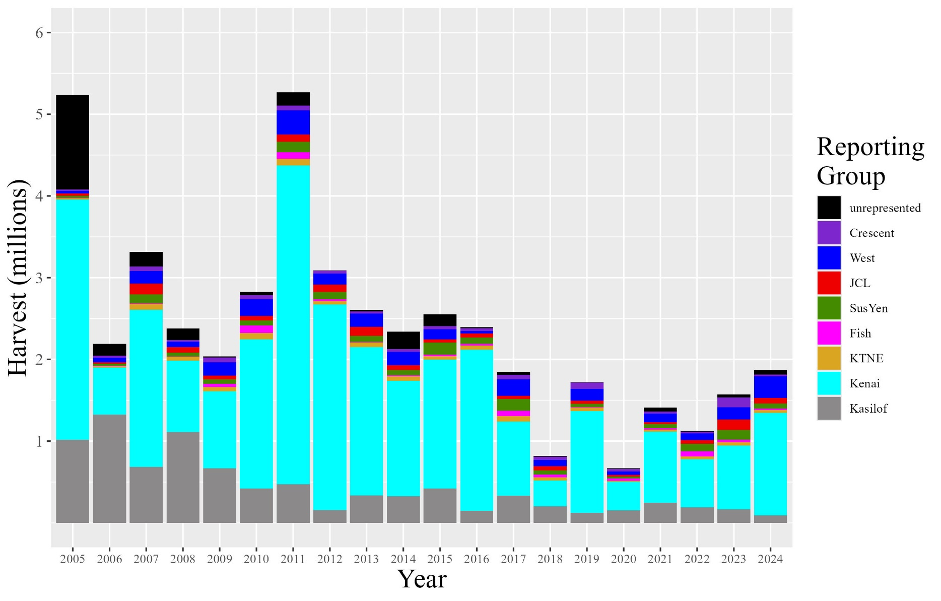

Figure 5.– Overall Cook Inlet commercial fishery stratified harvest estimates for sockeye salmon by stock for 2005–2024. Black bars indicate the portion of the total harvest from each year not included in the analysis (unrepresented).

